Sheet1
Questions on discrete and continuous random variable

Discrete Random Variable:

Number of roll (n) | 100
Probability of success (p) | 0.17
Probability of failuer (q) | 0.83
Desired successes (k) | 5

Binomial coefficient | 75287520

P(X = k) = (n choose k) * (p^k) * (q^(n-k))

Probability of getting five '3 | 0.00029090311058

Total no of cards | 52
No of hearts in deck (N) | 13
No of card drawn | 5

Probability of getting two hearts | 0.27427971188

Number of Questions | 10
Number of Answers | 4
Probability of Correct Answer | 0.25

Number of Correct Answers | Binomial Coefficient | Binomial Probability
0 | 1 | 0.056313514709
1 | 10 | 0.1877117157
2 | 45 | 0.28156757355
3 | 120 | 0.2502822876
4 | 210 | 0.1459980011
5 | 252 | 0.058399200439
6 | 210 | 0.016222000122
7 | 120 | 0.0030899047852
8 | 45 | 0.00038623809814
9 | 10 | 2.8610229492E-05
10 | 1 | 9.5367431641E-07

Cumulative Probability(8,9,10) | 0.00041580200195

Number of Blue Balls | 20
Total Number of Balls | 60
Number of Balls Drawn | 3
Probability of all three blue | 0.033313851549

Number of Shots | 10
Probability of Scoring | 0.3
Number of Goals | 3
Binomial Coefficient | 120
Probability of Exactly 3 Goals | 0.266827932

Continuous Random Variable:

Mean Height (u) | 165
Standard Deviation | 10
Height Threshold | 180

Probability Taller Than 180 cm | 0.93319279873

Mean Waiting Time | 5
Waiting Time Threshold | 3

Probability (X < 3) | 0.45118836391

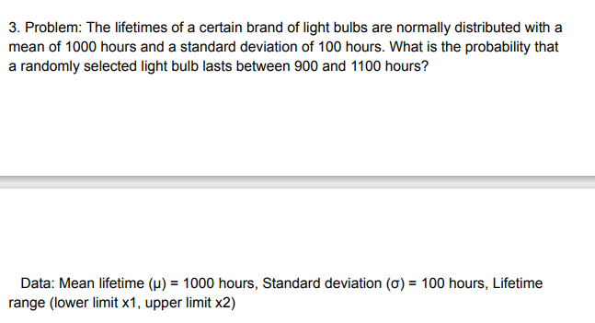

Mean lifetime | 1000
Standard deviation | 100
Lifetime range lower limit | 900
Lifetime range upper limit | 1100

Probability (X < 1100) | 0.84134474607
Probability (X < 900) | 0.15865525393

Probability (900 < X < 1100) | 0.68268949214

Lower limit | 150
Upper limit | 170
otal width of the distribution | 100

Probability (150 < X < 170) | 0.2

Mean time | 20
Time threshold | 15

Probability (X < 15) | 0.52763344726

